1. Title Page
[Grocery Basket Analysis]

Project Name: Instacart Grocery Basket Analysis
Date:24.05.2023
Analyst Name: Seda Aslan

Contents:
Population Flow
Consistency checks
Wrangling steps
Column derivations
Visualizations
Recommendations

2. Population Flow
Title page

Population flow

Exclusion flag
Condition: max_order < 99
Obervations to be removed: N/A
Final total count of order_products_all: 32404859

Orders_products_combined
Orders_products_merged
Orders_products_all

Total: 32434489
Total: 32404859
Total: 32404859

1.) The grey boxes in the first row of the population flow represent the original data sets as they were when you downloaded them. In the Total fields you need to add the count of the rows when you imported the data set into Jupyter.
2.) The second row of boxes (coloured) represents the data sets after you manipulated them, e.g., removed missing values and duplicates. In the Total fields you need to add the count of the rows after conducting these operations. This offers a visual oveview of how the data flows throughout the data consistency checks.
3.) The third row, where also the arrows are coloured, represents the merges you performed between the datasets. In the Total fields you need to add the count of the rows in the merged datasets, so that you end up with the final dataset (in the red box). Keep in mind the final dataset should be without exclusions (based on the exclusion flag).

3. Consistency checks
 |  |  |  | Title page
Consistency checks

Dataset | Missing values | Missing values treatment | Duplicates
orders | 260209 | No treatment | no duplication
products | 16 | removed from dataset | 5 rows removed
orders_products_prior | 0 | No treatment | no duplication
customers | 0 | No treatment | no duplication

4. Wrangling steps
 |  |  |  | Title page
Wrangling steps

Columns dropped | Columns renamed | Columns' type changed | Comment/Reason
eval_set |  |  | not necessary for the analysis
 | order_dow to orders_day_of_week |  | naming conversation
 |  | order_id to string | mixed type fixed
 |  | user_id to string | mixed type fixed
First Name |  |  | not necessary for the analysis
Surnam |  |  | not necessary for the analysis
 | Gender to gender |  | naming conversation
 | STATE to state |  | naming conversation
 | Age to age |  | naming conversation
 | n_dependents to numbers_of_dependants |  | naming conversation
Unnamed: 0 |  |  | not necessary for the analysis
 | fam_status to family_status |  | naming conversation

5. Column derivations
 |  |  |  | Title page

Column derivations and aggregations

In this tab you should add tables below that the frequences of flags/label variables that you produced after deriving them. NB: don't do this for continuous variables, only for flags.
Dataset | New column | Column/s it was derived from | Conditions
orders_products_merged | price_range | prices | prices <= 5 -- Low-range product prices > 5 & prices <=15 == Mid-range product prices . 15 -- High-range product
orders_products_merged | price_range_loc | prices | prices <= 5 -- Low-range product prices > 5 & prices <=15 == Mid-range product prices > 15 -- High-range product
orders_products_merged | busiest_day | orders_day_of_week | Saturday (0) -- Busiest day Wedneday (4) -- Least busy All other values -- Regularly busy
orders_products_merged | busiest_days | orders_day_of_week | Saturday (0) and Sunday (1) -- Busiest day Wedneday (4) and Wuesday (3) -- Slowest days All other values -- Regularly busy
orders_products_merged | buesiest_period_of_day | order_hour_of_day | order_hour_of_day <= 6 -- Fewest orders order_hour_of_day >= 10 & order_hour_of_day <= 16 -- Most orders Other than these --Average orders
orders_products_merged | loyalty_flag | max_order | max_order > 40 -- Loyal customer max_order <=40 & max_order > 10 -- Regular customer max_order <= 10 -- New customer
orders_products_merged | spending_loc | avg_price | avg_price < 10 -- Low spender avg_price >= 10 -- High spender
orders_products_merged | frequent_flag | frequent_median | frequent_median > 20 -- Non-frequent customer frequent_median <=20 & frequent_median > 10 -- Regular customer frequent_median <= 10 Freqeunt customer
orders_products_all | region | state | states were placed into regions in accordance with this Wikipedia article: https://simple.wikipedia.org/wiki/List_of_regions_of_the_United_States
orders_products_all | activity_flag | max_order | max_order < 5 -- low activity customers max order >= 5 -- High-activity customers
orders_products_all | profile | number_of_dependents, age, income, and department_id | number_of_dependents >= 1 and income >= 50000 -- Partnered number of dependets >=1 and income < 5000 = Single number of dependets < 1 -- No-Child age <= 25 -- Youngh age >25 and age <=59 -- Middle-Aged age >=60 -- Senior income < 40000 -- Low-income income >=40000 and income < 100000 --Mid-income income > 100000 -- High-income

6. Visualizations
Title page

Visualisations

Relationship Between Day of the Week and Average Product Price
The Distrubution of Total Order Throughout the Day

Distribution of Product Prices
Total Orders by Day of the Week

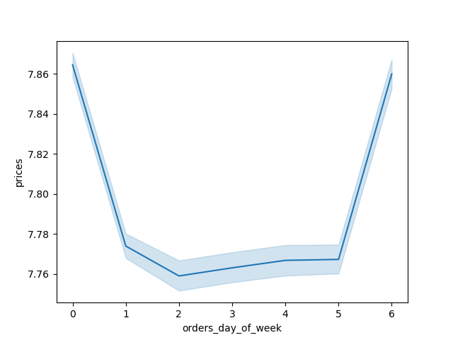


Sunday (0) is the busiest day of the week.
Wednesday (4) is the least busy.
Most of the things bought by customers cost less than $15.
While there is little difference in product prices from day to day, Sunday and Saturday have the highest average.
Most orders consist between 10 a.m. and 3 p.m. The fewest orders consist between the hours of midnight and 5 a.m.

Millions of orders

Millions of orders

Day of the Week

Dollar
Day of the Week
Hour of the day

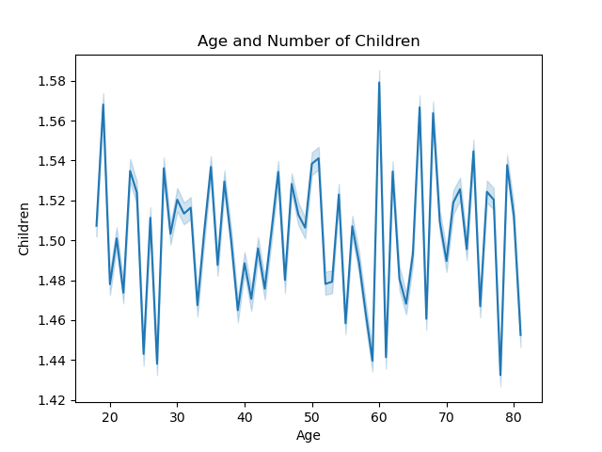
Customer Base Distribution Based on Loyalty Status
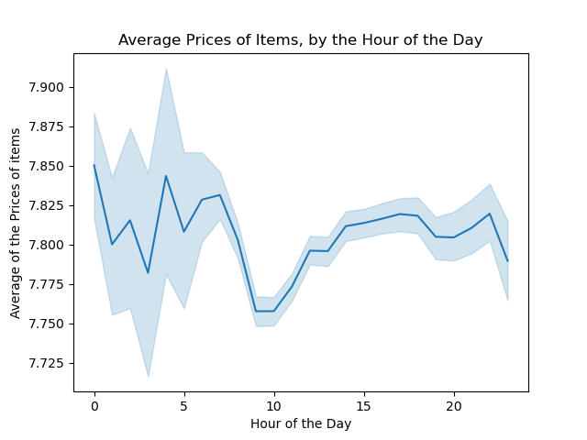
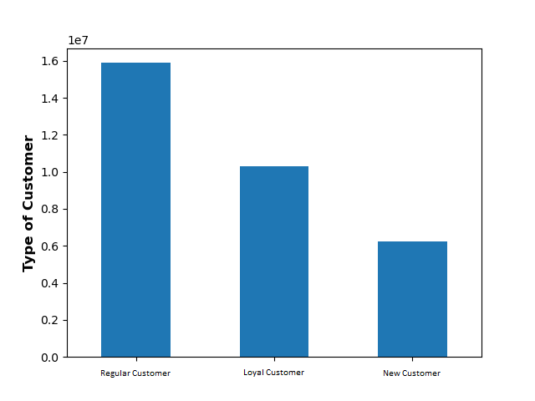


Although there is not a strong correlation between price and time of day, it is evident that the least expensive purchases are made at 10 am.
Although there is no correlation between age and income, it is worth noting that most customers make less than $200,000 USD, which is a reasonable income level.
Most customers are regular cutomers.
Average number of children
Average number of children across age groups between 1-2.

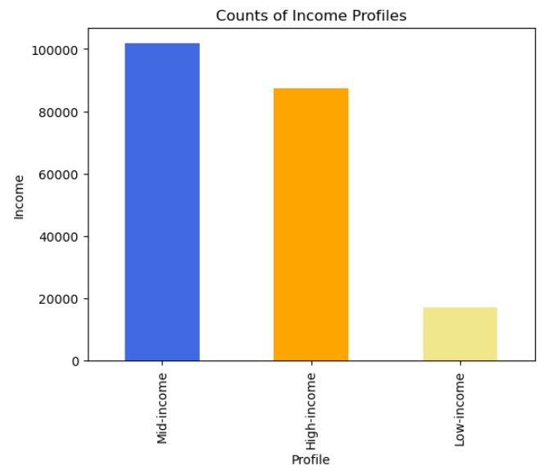

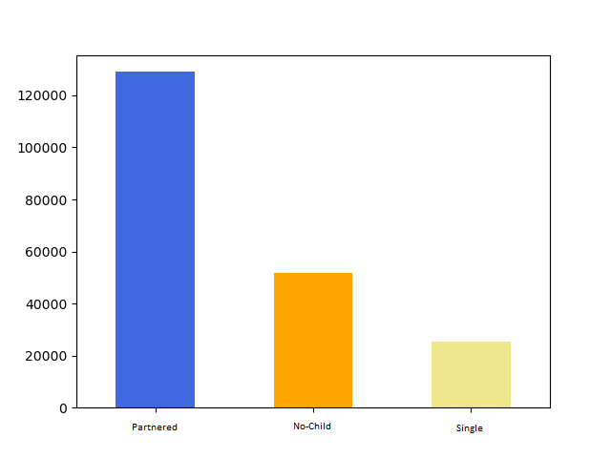
Dependant Customers
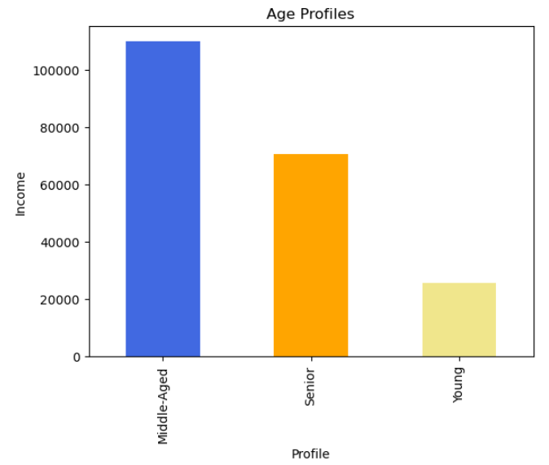
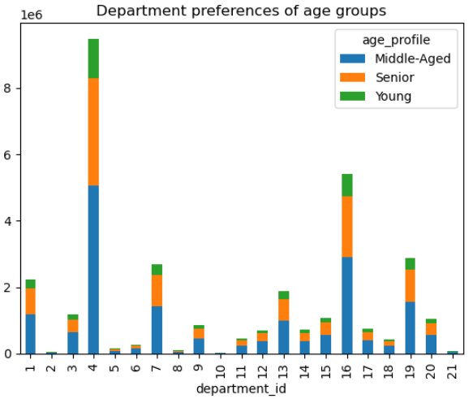

A significant proportion of the customers fall within the middle-aged category, while the senior represents the subsequent largest group. There are very few youngh customers
The customer segment with an income profile ranging from 50k-150k tend to make the most purchases within the produce and dairy/eggs departments.
Although the high-income and mid-income customer segments are evenly represented, there is a relatively small proportion of customers within the low-income bracket.
The majority of customers are parents in partnerships, followed by those who do not have children, and then single parents.
Income

Thousand

Profile

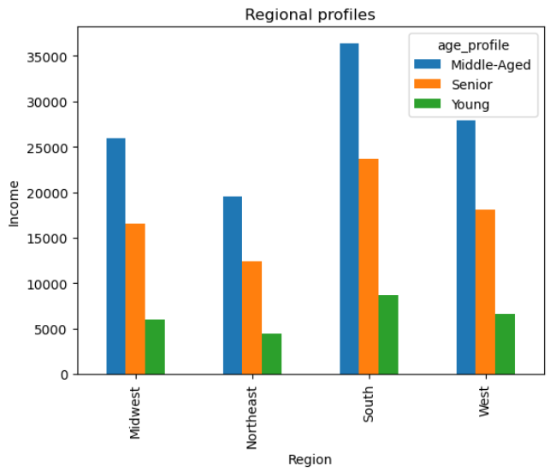
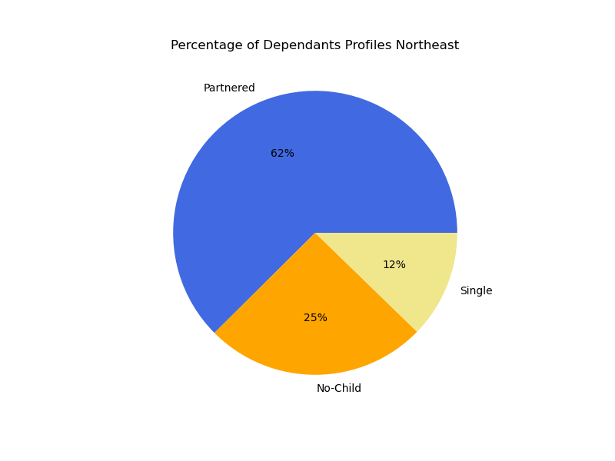
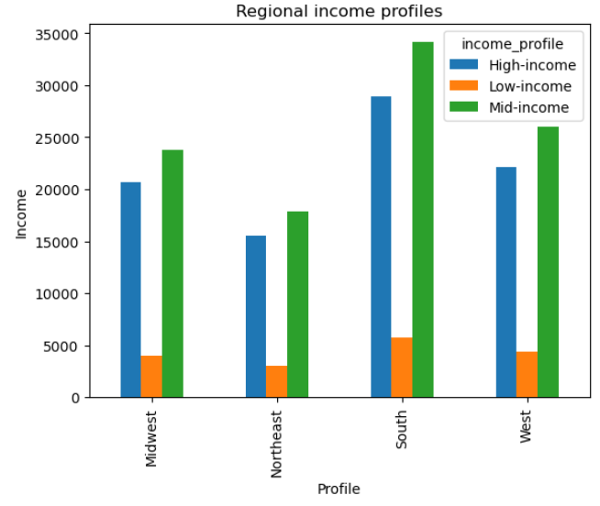
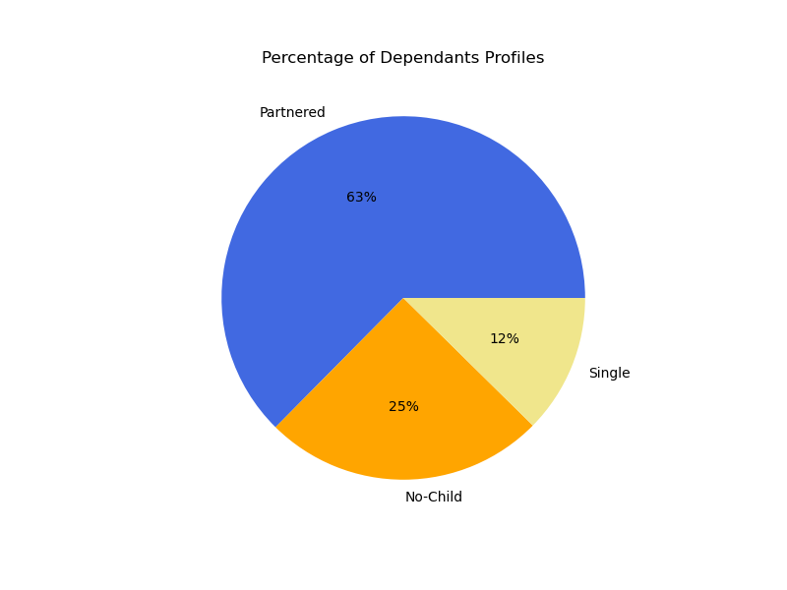

The South and West regions have the highest concentration of middle-aged customers, whereas senior customers are evenly distributed across all regions.
Although mid-income customers are well-represented in all regions, the Northeast region has the smallest number of customers among them.

The proportion of customers who are in a partnership and have a child is 63%. We see that, the proportion is the same for all the regions.
The proportion of customers who are in a partnership and have a child is 62% in Northeast





The proportion of customers who are in a partnership and have a child is 63% in Sounth
The proportion of customers who are in a partnership and have a child is 63% in West
The proportion of customers who are in a partnership and have a child is 63% in Midwest.

7. Recommendations
 |  | Title page

Recommendations

In this tab you should include any recommendations you would made to Instcart in terms of their marketing strategy based on the questions posed in the brief. Every key question has been covered in the Tasks of the Exercises - here you need to add an item - a visualisation or table/crosstable that is showing the answer in the data, acompanied by a comment from you. Please, list the questions below and add the answer underneath.

Question | Answer
To effectively schedule advertisements during periods of reduced order volume, it is essential for the sales team to be aware of the peak days and hours of the week, specifically the times when the greatest number of orders are typically placed. | Tuesday and Wednesday are the days of the week that typically see the lowest volume of orders. Concentrating advertising efforts on these days may prove to be lucrative. Additionally, the morning hours between 07:00-11:00 and evening hours between 18:00-23:00 stand out as potentially high-impact windows for ads. While the late night hours experience the least amount of activity, they are also the least likely time for people to engage with advertising.
The sales team is interested in identifying peak spending times throughout the day, as this information could inform which products are advertised during those specific times. | Based on the data analysis, customers tend to spend the most during the early hours of the morning (03:00-07:00) and in the evening (18:00-22:00). Capitalizing on these peak spending periods by promoting higher-priced products could potentially reach an audience with greater purchasing power or willingness.
What is the breakdown of user distribution in terms of their loyalty to the Instacart brand, that is, how frequently do they return to the platform? | The data suggests that the most frequent customers are those who exhibit brand loyalty. Similarly, regular customers tend to be frequent customers, while new customers tend to be less frequent.
What discrepancies can be identified in the ordering patterns of distinct customer profiles? This includes the cost of orders, the frequency of orders, the types of products customers are ordering, and any other relevant variables that may be apparent. | In general, customers tend to spend at similar levels regardless of their income profile, with some minor exceptions. Families tend to spend more on produce compared to single individuals. Additionally, customers aged 40 years or older tend to have a higher income and thus may have more disposable income to spend.
Can particular product categories be identified as more popular than others among customers? | Partnered parents tend to purchase the most products in the produce, eggs, and dairy categories. Single and retired adults exhibit similar purchasing habits as well. Meanwhile, single parents purchase almost equal amounts of snacks, dairy, and eggs in the produce category.

